GANTT Instructions
 | Purpose The Gantt chart serves as an important working document for the team during the application process, as well as providing a condensed description of the health and progress of a funded project to the governing bodies during project reports. It summarises the project's end deliverables, activities and important milestones, as well as the people who are active and responsible for working on each part of the project and who deliver intermediary results, tools and materials to other project partners. The GANTT tab contains your project's Gantt chart.

Year 1 month 1 is the first month that you start your project.
 | Terminology
 | Work Package (WP): A distinct, self-contained unit of work that produces a measurable deliverable. WP1 should be project management and coordination. Activity: A unit of work that needs to be performed to produce deliverables. They have a start date, end date, assigned resources, and effort. Milestone (M): The checkpoints that indicate significant progress. Often tied to the delivery or approval of key deliverables or the start of new activities. Deliverable (D): A concrete output produced within a work package (e.g, a raw dataset, protocol, software component, paper submission, or report) that demonstrates progress but is not necessarily essential for unlocking the next work package. Something that can be handed over, reviewed, or accepted. End Deliverable (E): The final openly shared output that completes the project (e.g., final workable dataset, toolkit, method, main publication or complete software package). If this happens after the end of the project (must be within 6 months of end), write 'end + X' months in end date (see E4.1 and E 4.2 as example) Dependency (arrow): Arrows are used for highlighting dependencies. They are also useful to signal how delays in one deliverable may cause delays elsewhere in the project. Only draw arrows for dependencies that cross between different Work Packages or dictate the critical path (e.g., Task 3.2 starts only after Milestone M2.2 is reached).

Milestones mark important events. Schedule enough project meetings to ensure involvement of all applicants and company partners.
 | INSTRUCTIONS- READ FIRST- then fill out 'GANTT' sheet
Label | Short Description of each Work package (WP), Activity, Milestone, Deliverable and End Deliverable | Activity Leader | Involved Participants (name or acronym from application) | Start | End | Year 1
 |  |  |  |  |  | 1 | 2 | 3 | 4 | 5 | 6 | 7 | 8 | 9 | 10 | 11 | 12
 | WP 1 Project management and coordination |  |  | DD.MM.YY | DD.MM.YY
State the title of each WP. WP1 should be project management.
1.1 | Project management | A1 | all | 2025-01-01 | 2027-01-31
Deliverables can be e.g., reports, datasets, materials and publications.
1.2 | Dissemination and communication | A1 | all | 2025-12-01 | 2027-01-31
M1.1 | Project meetings | A1 | all | 2025-02-01 | 2027-01-31 | M |  | x |  | x |  | x |  | x |  | M
M1.2 | Final team conference | A1 | all |  | 2026-10-31
D1.1 | Progress reports | A1 | all | 2025-07-01 | 2027-01-31 |  |  |  |  |  | D |  |  |  |  |  | D
Milestones (M) and Deliverables (D) are derived from specific activities in the work package.
 | WP 2 Lab experiment 1
2.1 | Selection of targets | A2 | A1, A2, C1-R1, C2-R1 | 2025-02-01 | 2025-05-30
Visualize the timeline for ongoing activities with shading.
2.2 | Test of method 1 | A2-R1 | A2, A2-R1 | 2025-05-01 | 2025-08-31
2.3 | Test of method 2 | A2-R2 | A2, A2-R2 | 2025-07-01 | 2025-10-31
M2.1 | 5 targets selected for invitro platform | A2 | A1, A2, C1-R1, C2-R1 |  | 2025-05-30 |  |  |  | M
Milestones and Deliverables only have end-dates.
M2.2 | Final method to be used selected | A2 | A1, A2, C1-R1, C2-R1 |  | 2025-10-31 |  |  |  |  |  |  |  |  | M
D2.1 | Data published in open database | A2 | A2, A2-R1, A2-R2 |  | 2025-11-30 |  |  |  |  |  |  |  |  |  | D
 | WP 3 Set-up of in vitro platform
Dependencies are marked by arrows between elements that must run in sequence. All End Deliverables have dependencies.
3.1 | Set-up in vitro platform | A1 | A1, A1-R1 | 2025-07-01 | 2025-11-30
3.2 | Test of 5 targets | A1-R1 | A1, A1-R1 | 2025-11-01 | 31.09.26
M3.1 | Selection of 3 targets for animal studies | A1 | A1, A2, C1-R1, C2-R1 |  | 31.09.26
The main Open dissemination must occur within 6 months of the project's end.
D3.1 | Paper submitted outlining platform methodology | A1 | all |  | 01.01.27
 | WP 4 Open Sharing
Add and delete Work Packages as needed.
4.1 | Prepare data for publishing + final papers |  |  | 1.10.26 | 2027-01-31
E4.1 | Accessible, searchable open database with all results |  |  |  | end + 3
E4.2 | Main paper linked to data submitted in preprint |  |  |  | end + 6
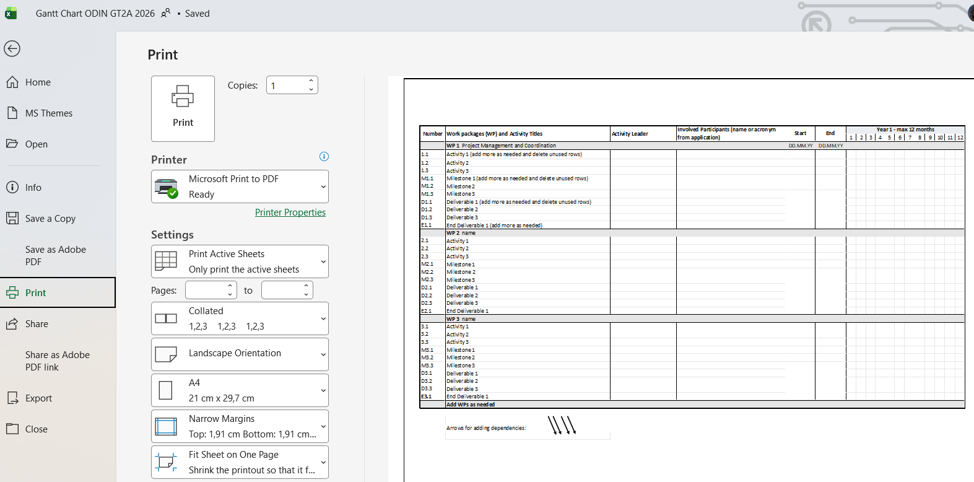
 | Save as PDF:
 | On the GANTT sheet: Select File - Print.
 | In PRINT settings:
 | Choose a PDF printer (e.g. Adobe, Microsoft)
 | Select 'Print Active Sheets'
 | Select 'Landscape Orientation, A4'
 | Select 'Narrow Margins'
 | Select 'Fit Sheet on One Page' (If you have many rows of text, it may be better to 'Fit All Columns on One Page' and print across 2 pages)

